MEN JEANS
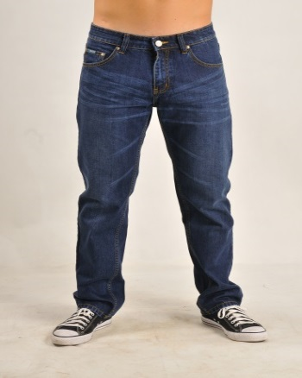
Nomor | Gambar | Kode | Nama | Size Chart |  |  |  |  | Berat
 |  |  |  | Nomor | Lingkar Pinggang | Lingkar Pinggul | Inseam | STOCK | Berat
1 |  | 111331 | Estee Regular Men Jeans | 28 | 33,5 " | 40 " | 31,5" | 2
 |  |  |  | 29 | 34" | 41" | 31,5" | 2
 |  |  |  | 30 | 34,5 " | 42 " | 32"
 |  |  |  | 31 | 36 " | 43" | 33" | 2
 |  |  |  | 32 | 37" | 44" | 33" | 1
 |  |  |  | 34 | 39" | 45,5" | 33" | 2
 |  |  |  | 36 | 41" | 47" | 33" | 2
 |  |  |  | TOTAL |  |  |  | 11

 |  |  |  | Nomor | Lingkar Pinggang | Lingkar Pinggul | Inseam | STOCK | Berat
7 |  |  |  | 28 | 27,5 " | 36.5" | 11" | 5
 |  |  |  | 29 | 29,5" | 38,5" | 11" | 18
 |  |  |  | 30 | 30,5" | 38,5" | 11" | 9
 |  |  |  | 31 | 31" | 38,5" | 11"
 |  |  |  | 32 | 32" | 40" | 11" | 7
 |  |  |  | 34 | 34" | 41" | 11,25" | 10
 |  |  |  | 36 | 37" | 45" | 11,25" | 4
 |  |  |  | TOTAL |  |  |  | 53

 |  |  | 3140

